Figures
Figures and Alt Text (excludes artifacts and decorative images)
Count of figures | 2

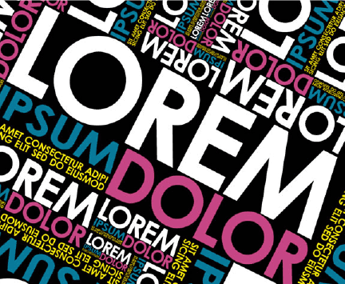
Page Number | Figure/Image | Alt-Text | bBox (x,y,w,h) | Object Id
1 |  | <missing> | (72,736,432,355) | 59

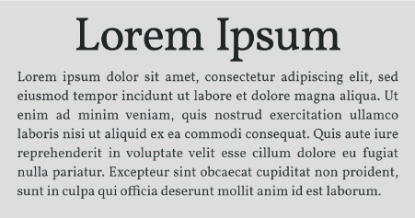
1 |  | <missing> | (72,350,451,237) | 61

